Products with Images
Part Number/SKU | Brand/Manufacturer | Product Description | Discounted Price (AED) | Quantity Available | Image URL | Image
7005 | Aruba | Aruba 7005 Mobility Controller | 510 | 122 | https://store.jfxtechnologies.com/wp-content/uploads/2019/03/Jual-Aruba-7005-Mobility-Controller.jpg | 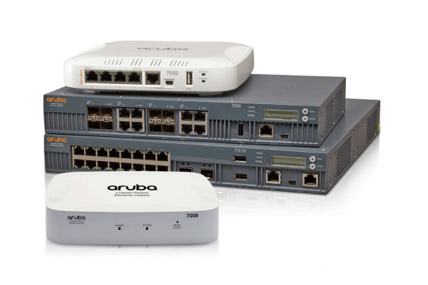
3400 | Aruba | Aruba 3400 Mobility Controller | 147 | 8 | http://amartastore.com/image/cache/data/20140182/Aruba+3400+Controller-600x800.jpg
AVE-W12S-6015B | Avoyo | 12U Wall mount Cabinet | 87 | 25 | https://www.cablesnmore.com/content/images/thumbs/001/0014240_12u-wall-mount-cabinet-401-series-18-inches-deep-fully-assembled.jpeg | 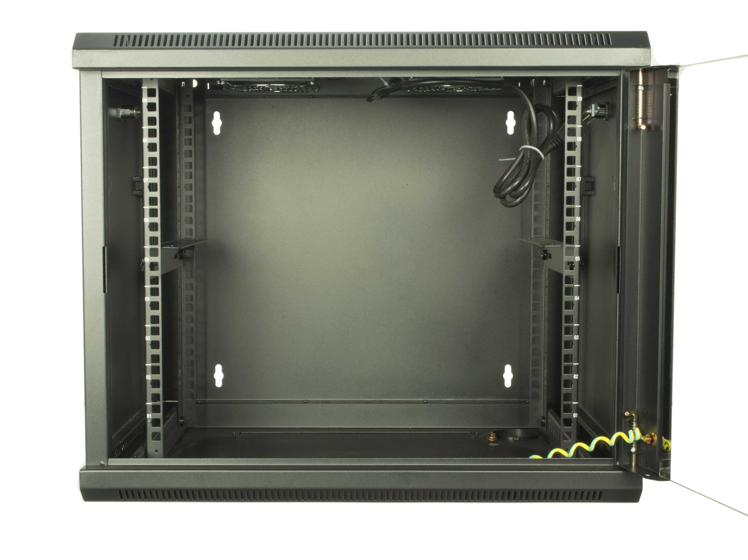
543945 009U1000 | Belden | 543945 Coax - Surveillance and CCTV Applications | 67 | 30 | https://www.alldatasheet.com/semiconductor/electronic_parts/datasheet/1828986/BELDEN/543945-009U1000.GIF | 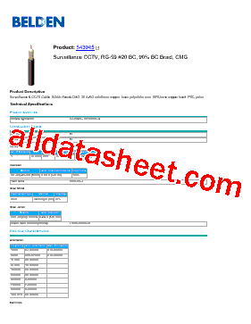
543945 2222 | Belden | 543945 Coax - Surveillance and CCTV Applications | 67 | 30 | https://cdn11.bigcommerce.com/s-7ti4lh351/images/stencil/1280x1280/products/32279/37461/543945__70897.1572540340.JPG?c=2 | 